Images
 | No shift |  |  |  | Shift at 25% |  |  |  | Shift at 50% |  |  |  | Shift at 75% |  |  |  | Sampling 50%, Shift by 0.05

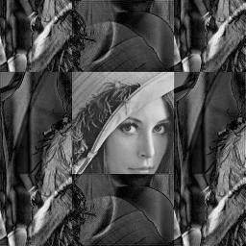
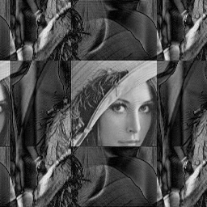
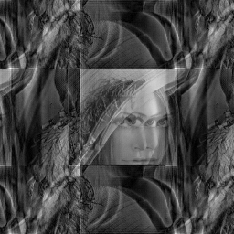

Cartesian |  |  |  |  |  |  |  |  |  |  |  |  |  |  |  |  | PSNR (dB)

 |  |  |  |  |  |  |  |  |  |  |  |  |  |  |  |  | Onset | Cartesian | Radial | Spiral | VDC
 |  |  |  |  |  |  |  |  |  |  |  |  |  |  |  |  | 25% | 9.502 | 15.311 | 13.952 | 12.648
 |  |  |  |  |  |  |  |  |  |  |  |  |  |  |  |  | 50% | 9.978 | 17.613 | 17.702 | 15.570
 |  |  |  |  |  |  |  |  |  |  |  |  |  |  |  |  | 75% | 9.940 | 19.791 | 17.609 | 26.185
 |  |  |  |  |  |  |  |  |  |  |  |  |  |  |  |  | 100% | 9.904 | 21.481 | 22.284 | 27.267

 |  |  |  |  |  |  |  |  |  |  |  |  |  |  |  |  | SSIM

 |  |  |  |  |  |  |  |  |  |  |  |  |  |  |  |  | Onset | Cartesian | Radial | Spiral | VDC
 |  |  |  |  |  |  |  |  |  |  |  |  |  |  |  |  | 25% | -0.0148 | 0.5135 | 0.4510 | 0.2764
 | PSNR = | 9.904 | SSIM = | 0.1026 | PSNR = | 9.502 | SSIM = | -0.0148 | PSNR = | 9.978 | SSIM = | 0.0513 | PSNR = | 9.940 | SSIM = | 0.1014 | 50% | 0.0513 | 0.7084 | 0.7383 | 0.5973
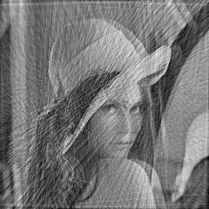
 |  |  |  |  |  |  |  |  |  |  |  |  |  |  |  |  | 75% | 0.1014 | 0.8296 | 0.7977 | 0.9752



Radial |  |  |  |  |  |  |  |  |  |  |  |  |  |  |  |  | 100% | 0.1026 | 0.8914 | 0.9382 | 0.9804

 | PSNR = | 21.481 | SSIM = | 0.8914 | PSNR = | 15.311 | SSIM = | 0.5135 | PSNR = | 17.613 | SSIM = | 0.7084 | PSNR = | 19.791 | SSIM = | 0.8296

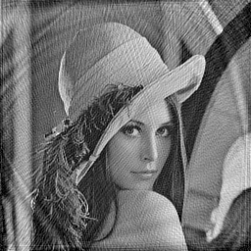

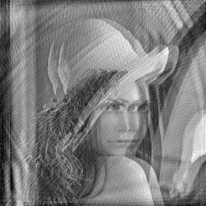

Spiral

 | PSNR = | 22.284 | SSIM = | 0.9382 | PSNR = | 13.952 | SSIM = | 0.4510 | PSNR = | 17.702 | SSIM = | 0.7383 | PSNR = | 17.609 | SSIM = | 0.7977



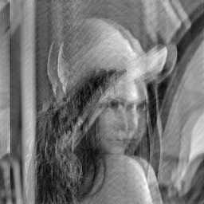

VDC

 | PSNR = | 27.267 | SSIM = | 0.9804 | PSNR = | 12.648 | SSIM = | 0.2764 | PSNR = | 15.570 | SSIM = | 0.5973 | PSNR = | 26.185 | SSIM = | 0.9752

 | No shift |  |  |  | Shift at 25% |  |  |  | Shift at 50% |  |  |  | Shift at 75%

Cartesian

 | PSNR = | 9.904 | SSIM = | 0.1026 | PSNR = | 9.502 | SSIM = | 0.0513 | PSNR = | 9.978 | SSIM = | 0.0513 | PSNR = | 9.940 | SSIM = | 0.1014

Radial

 | PSNR = | 21.481 | SSIM = | 0.8914 | PSNR = | 15.311 | SSIM = | 0.7084 | PSNR = | 17.613 | SSIM = | 0.7084 | PSNR = | 19.791 | SSIM = | 0.8296

Spiral

 | PSNR = | 22.284 | SSIM = | 0.9382 | PSNR = | 13.952 | SSIM = | 0.7383 | PSNR = | 17.702 | SSIM = | 0.7383 | PSNR = | 17.609 | SSIM = | 0.7977

VDC

 | PSNR = | 27.267 | SSIM = | 0.9804 | PSNR = | 12.648 | SSIM = | 0.5973 | PSNR = | 15.570 | SSIM = | 0.5973 | PSNR = | 26.185 | SSIM = | 0.9752

